Main
Acceptance Protocol

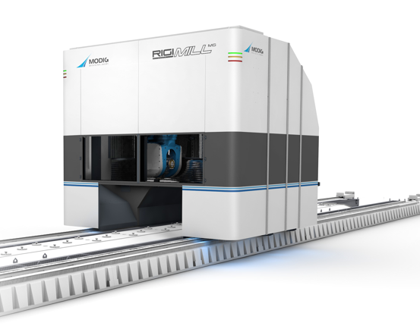

Machine name |  | Model
 |  | RigiMill MG

Serial Number

Participants

Location | Date
Kalmar, Sweden

Prästkragevägen 13 | 393 61 Kalmar | Sweden

 |  |  | Rev: 2

Slutkontroll_RM_MG
Acceptance RM MG

1 | Loading area | Comment | Status | Resp
a | Hydraulic for fixators and lifters - Correct markings, labels, cable channels.
b | Light curtains - Correct height, mounted correctly.
c | Pallet mover - Sensors labeled, cable management
d | Pallet mover - Chains slack, correctly mounted
e | Pallet mover - Guides/Steering cones correctly measured and locked.
f | Buffer station - Sensors labeled, cable management, correct installed
g | Buffer station - Guides/Steering cones, correctly measured and locked
h | Lifting columns - pneumatic hoses, labeled, correct installed
i | Lifting columns - Sensors correctly installed, labeled
j | Lifting columns - Marked screws, blue/red/yellow
k | Lifting columns - Motors labels, encoder cable management
l | Lifting columns - Splitters correctly labeled, cable routing
m | Lifting columns - Piston protection cover installed
n | Lifting columns - Lubrication blocks installed
o | Lifting columns - No blue temporary tape markings present
p | Portal electrical cabinet - Safety labels, LOTO label, cable and part labels
q | Portal electrical cabinet - Chiller settings, lamp auto mode, battery in controller
r | Portal electrical cabinet - Transformer settings (correct voltage)
s | Portal electrical cabinet - Safety plexi glas, poke protection
t | Warning lights - Installed, functioning, correct position

2 | Tool Arena | Comment | Status | Resp
a | Tool door - Function locks, rotates, can't be tampered with
b | Inside Tool arena - LOTO sign, cable/hose labels and routing
c | Main panel - Buttons labeled, emergency stop correctly marked
d | Tool magazine (carousel) - Labels (pots), markings on all screws
e | Electrical motors - Safety labels visible, cables labeled, cable routing
f | Tool magazine (wall) - Labels, markings on screws
g | Camera - Mounted correctly, cable management, labels
h | Tool arena main frame - Markings on screws (red, blue, yellow)
i | Robot - Cable labels, cable management
j | Robot - Warning labels visible
k | Robot - Screw markings, gripper markings
l | Tool door machine - No scraping, correct dampening
m | Tool door machine - Correct pneumatic hose management
n | Outer sheets - No damage, dents, scratches, correct color, plexi glas
o | HMOP - Button layout, no damage
p
q
r
s

3 | Electrical Cabinets | Comment | Status | Resp
a | Main Cabinet - Electrical warning sign on main door, warning labels inside cabinet
b | Main Cabinet - Safety plexi glas, poke protections
c | Main Cabinet - Verify labeling on cables and components
d | Main Cabinet - Cable routing correctly done
e | Main Cabinet - All cabinet doors grounded
f | Main Cabinet - AC set to 35°C
g | Main Cabinet - Clean, no checklists left, no blue tape or zip tie leftovers
h | Main Cabinet - Sockets installed under cabinets
i | Main Cabinet - Lamps set to auto
j | Main Cabinet - Properly interconnected
k
l
m

4 | Machining area | Comment | Status | Resp
a | Machine table - Swing clamps correctly installed
b | Machine table - Pneumatic hoses routing
c | Machine table - Hydraulic hoses routing
d | Machine table - Cover sheets installed correctly
e | Pallets - No porosity, lifting eyes correctly installed
f
g
h
i
j
k

5 | Gantry | Comment | Status | Resp
a | Motors - Safety decals present and visible
b | Motors - All motors individually marked with each position on gantry
c | Electrical cabinet - Safety/warning decals present
d | Electrical cabinet - Labels, markings, routings
e | Pneumatic cabinet - LOTO, labels, routing, protection, settings
f | Lubrication cabinet - Labels, routing, levels, settings, indicators
g | Water cabinet - Labels, sign, routing, settings
h | Absolent - Installed, configured, tested, settings (voltage)
i | Hose routing above backpack - Hoses correctly routed above gantry cabinets
j | Outer sheets - No damage, dents, scratches, color correct
k | Wrapping - No air bubbles, straight, no damage
l | NC4 - Correctly installed, functioning, bracket correct, not damaged
m | Front enclosure - No gaps, no damage, correctly aligned, correct installed
n | Inside front enclosure - Pipes correctly routed, lamps functioning, brackets
o | Under gantry - Metal sheets overlap correct, no big gaps
p | Tool hatch - Correctly installed, no gaps, no dents, functioning
q | Front windows - Correctly installed, open/close, no damage
r | Line emergency stop - Correctly mounted, functioning
s | Air blow gear rack - Correctly configured, functioning
t | Energy chains - Correctly tightened, cable/hose routing
u | Ball screws - No excessive grease, not damaged
v | Backwall - No dents, no damage, no broken lamellas

6 | External units | Comment | Status | Resp
a | Chiller - Sign corresponds with documentation
b | Chiller - Documentation provided
c | Chiller - Hoses labeled
d | Chiller - Door grounded
e | HPU - Documentation provided
f | HPU - Hoses/cables labeled
g | HPU - Settings configured
h | HPU - min/max on pressure gauge
i | HPU - Grounding correct
j | Filtration unit - Warning on cabinet door (electrical)
k | Filtration unit - Documentation provided
l | Filtration unit - Machine sign and documentation correlate
m | Filtration unit - Groundings on door, machine, cabinets etc
n | Filtration unit - Safety plexiglas with warning sign inside cabinet
o | Filtration unit - Hose/cable labeling and routing
p | Main pneumatic cabinet - LOTO sign present
q | Main pneumatic cabinet - Hoses labeled
r | Main pneumatic cabinet - Settings configured

Avvikelser
Deviations RM MG

Remarks

